Sheet1
 |  | Document No. | Issue No. | Issue Date |  |  | Review and Replace Date |  | Authorised By
 |  | GFF164MC | 1 | 20.03.2020 |  |  | New Issue |  | Magda Shah
 |  | Document Title | PERI PERI CHICKEN PARCEL 85g
Document amendments reason for change |  | New document created |  |  | Page 1 of 1 |  | Previous Issue Date | New Issue | Uncontrolled copy unless signed original

CCPPL-G6T | GAZEBO |  | PERI PERI CHICKEN PARCEL 85g | CHILLED
STEP 1 |  |  |  |  |  | STEP 2
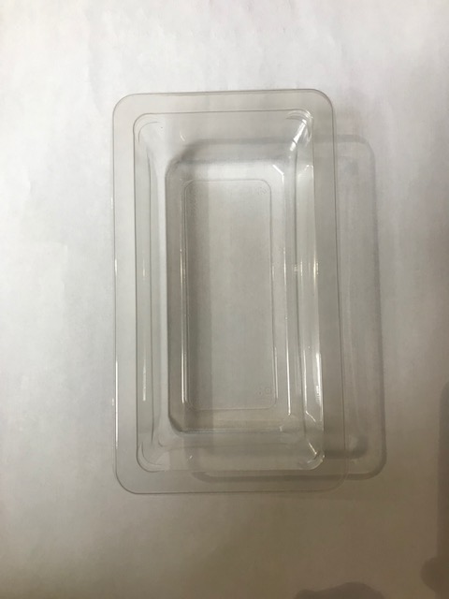 |  |  |  |  |  | 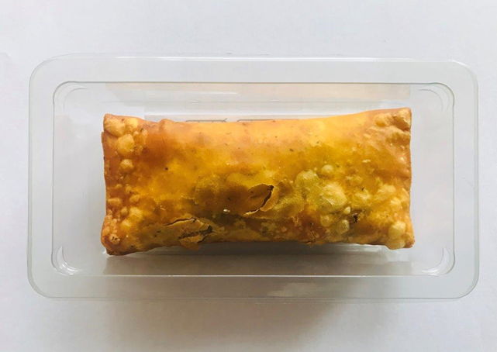 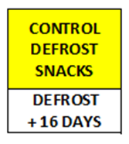

Tray Grab a Bit Plain 274x152x102 ( PKdia001.02) |  |  |  |  |  | Peri Peri Chicken Parcel 85g |  |  | Total Weight: 85g
Film PKWRAA001-03 ( 380 MYLAR25RL52AF)
ALLERGY ALERT: WHEAT, SULPHITE

